ADIDAS CAMPUS
CAMPUS 00S SHOES | COLOR | CODE | Size | 3 | 4 | 5 | 6 | 7 | 8 | 9 | 10
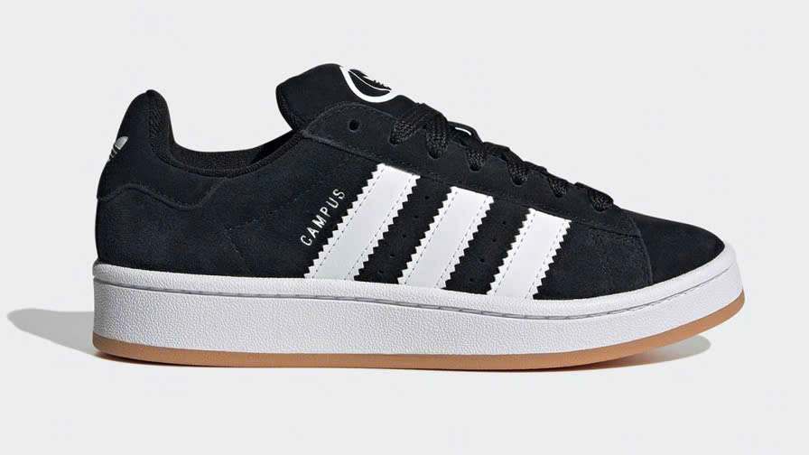 | BLACK | HQ6638 |  | 250 | 350 | 350 | 250 | 100 | 150 | 150 | 100 | 1700
 | COLOR | CODE | Size | 3 | 4 | 5 | 6 | 7 | 8 | 9 | 10
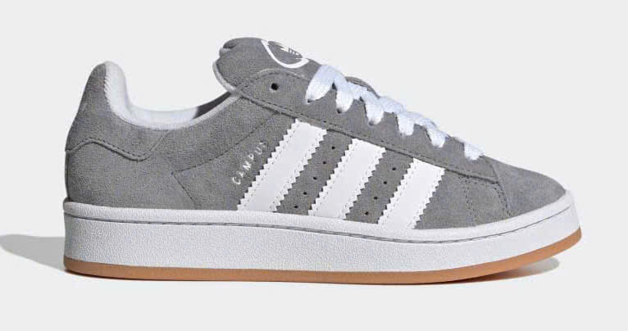 | GRAY | HQ6507 |  |  |  |  |  | 30 | 50 | 50 | 30 | 160
 | COLOR | CODE | Size | 3 | 4 | 5 | 6 | 7 | 8 | 9 | 10
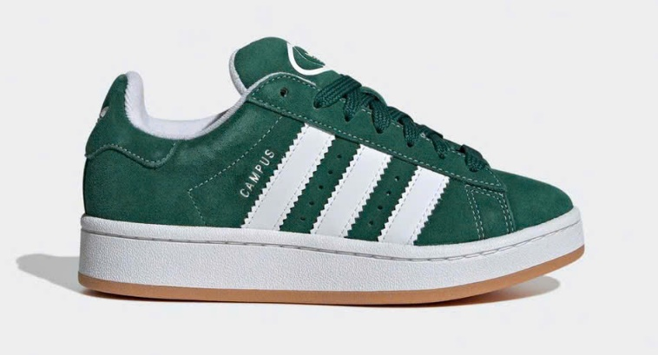 | GREEN | IH7492 |  | 50 | 50 | 50 | 35 |  |  |  |  | 185
 |  |  |  |  |  |  |  |  |  |  |  | 2045

